TB_Assorted_summ
Count of size classes by station: |  |  |  | Summary of CI per station and overall (Molluscs calculation) |  |  |  |  |  | Summary of CI per station and overall (Hanley calculation) |  |  |  |  |  | Summary of oyster SH, TW, CI, and CI_Hanley by station
Legal (L) > 75mm, Adult (A) 25-75 mm, Spat (S) < 25mm

Station | A | L | S | Station | n | mean | se | min | max | Station | n | mean | se | min | max | Station | SHeight | TWeight | CIndex | CI_H
1 | 229 | 1 | 0 | 1 | 230 | 4.01 | 0.0898 | 1.46 | 8.42 | 1 | 230 | 15.1 | 0.27 | 7.1 | 29 | 1 | 49.8 | 16.6 | 4.01 | 15.1
2 | 228 | 1 | 1 | 2 | 230 | 4.18 | 0.095 | 1.12 | 9.09 | 2 | 230 | 11.5 | 0.232 | 4.25 | 27.3 | 2 | 53.9 | 24.7 | 4.18 | 11.5
3 | 219 | 11 | 0 | 3 | 230 | 3.86 | 0.0722 | 1.51 | 6.52 | 3 | 230 | 11 | 0.263 | 4.39 | 30.5 | 3 | 56.2 | 28.5 | 3.86 | 11
4 | 229 | 1 | 0 | 4 | 230 | 4.27 | 0.0845 | 1.7 | 9.27 | 4 | 230 | 13.8 | 0.262 | 6.48 | 29.5 | 4 | 51.9 | 19.8 | 4.27 | 13.8
5 | 211 | 19 | 0 | 5 | 230 | 4.67 | 0.133 | 1.24 | 10.7 | 5 | 230 | 11.4 | 0.281 | 3.4 | 29.4 | 5 | 58.8 | 32.9 | 4.67 | 11.4
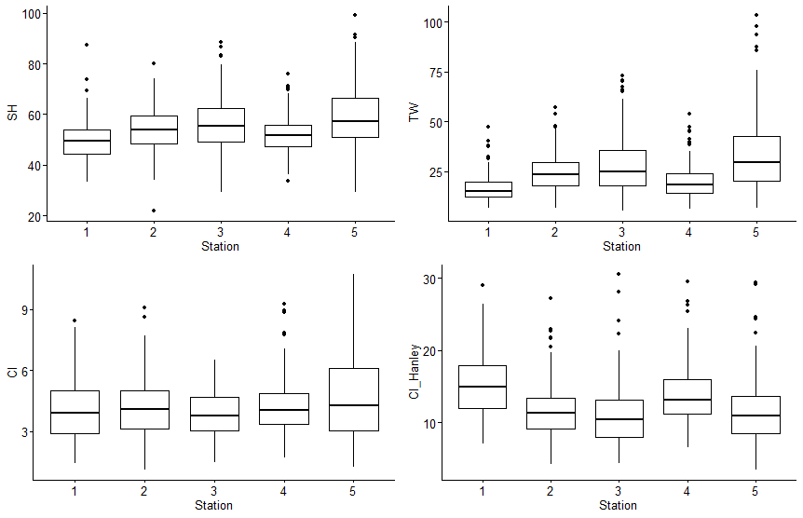
TB | 1116 | 33 | 1 | TB | 1150 | 4.2 | 0.0441 | 1.12 | 10.7 | TB | 1150 | 12.6 | 0.126 | 3.4 | 30.5
TB_Size_summ

Summary by station of mean amoung of oysters per sample with Cliona (Pres_Clio), Polydora (Pres_Poly), or both (Pres_Pests)
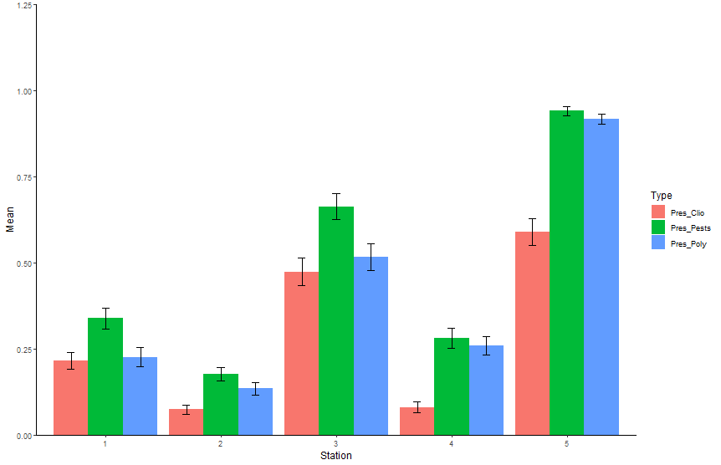
Station | Type | Mean | SE
1 | Pres_Clio | 0.215 | 0.0242
1 | Pres_Pests | 0.339 | 0.0304
1 | Pres_Poly | 0.226 | 0.0279
2 | Pres_Clio | 0.0739 | 0.0134
2 | Pres_Pests | 0.176 | 0.0198
2 | Pres_Poly | 0.135 | 0.0186
3 | Pres_Clio | 0.474 | 0.041
3 | Pres_Pests | 0.663 | 0.0377
3 | Pres_Poly | 0.517 | 0.0388
4 | Pres_Clio | 0.0804 | 0.0164
4 | Pres_Pests | 0.28 | 0.0292
4 | Pres_Poly | 0.259 | 0.0274
5 | Pres_Clio | 0.589 | 0.0389
5 | Pres_Pests | 0.941 | 0.0129
5 | Pres_Poly | 0.917 | 0.0149

Q1
Q1: WQ trends during study - overall min/max/mean; annual min/max/mean
*No data for April 2020. No Molluscs data for May 2020 (but there is Portal data)

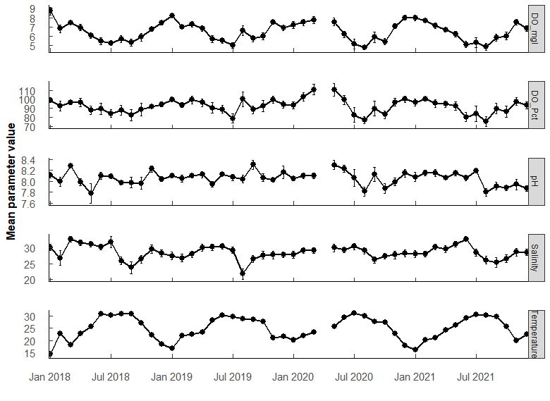
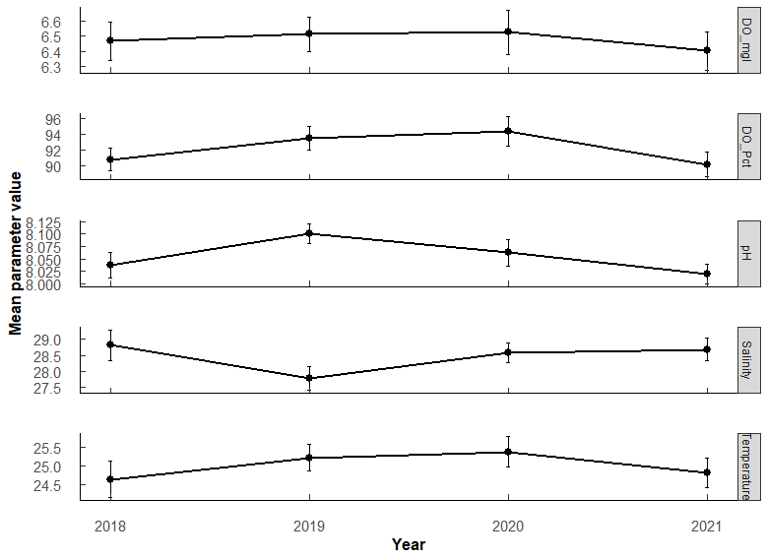

Parameter | n | Mean | SE | Min | Max | Year | Parameter | n | Mean | SE | Min | Max | PermaANOVA tests:
DO_Pct | 555 | 92.106726 | 0.79239368 | 10.6 | 152.6 | 2018 | DO_Pct | 141 | 90.8 | 1.44 | 35.3 | 133 | Comparing average annual valules. (Compare annual mean among years)
DO_mgl | 555 | 6.477313 | 0.06386955 | 0.68 | 11.8 | 2019 | DO_Pct | 147 | 93.5 | 1.45 | 48.3 | 141 | DO_mgL | Df | Sum Sq | Mean Sq | F value | Pr(>F)
Salinity | 555 | 28.453156 | 0.19077371 | 0.45 | 38.84 | 2020 | DO_Pct | 130 | 94.3 | 1.88 | 25.8 | 143 | Year | 3 | 1.2 | 0.4075 | 0.179 | 0.91
Temperature | 555 | 25.00375 | 0.20427659 | 8.05 | 33.3 | 2021 | DO_Pct | 137 | 90.2 | 1.58 | 10.6 | 153 | Residuals | 540 | 1228.1 | 2.2743
pH | 555 | 8.055833 | 0.01170206 | 6.2 | 8.78 | 2018 | DO_mgl | 141 | 6.47 | 0.126 | 2.41 | 11.8
 |  |  |  |  |  | 2019 | DO_mgl | 147 | 6.51 | 0.116 | 3.24 | 9.58
 |  |  |  |  |  | 2020 | DO_mgl | 130 | 6.53 | 0.145 | 1.79 | 10 | pH | Df | Sum Sq | Mean Sq | F value | Pr(>F)
 |  |  |  |  |  | 2021 | DO_mgl | 137 | 6.4 | 0.127 | 0.68 | 10.6 | Year | 3 | 0.52 | 0.17368 | 2.302 | 0.08
 |  |  |  |  |  | 2018 | Salinity | 141 | 28.8 | 0.469 | 0.45 | 38.8 | Residuals | 540 | 40.75 | 0.07546
 |  |  |  |  |  | 2019 | Salinity | 147 | 27.8 | 0.367 | 8.48 | 34.5
 |  |  |  |  |  | 2020 | Salinity | 130 | 28.6 | 0.3 | 19.8 | 34.6 | Salinity | Df | Sum Sq | Mean Sq | F value | Pr(>F)
 |  |  |  |  |  | 2021 | Salinity | 137 | 28.7 | 0.352 | 15.3 | 35.4 | Year | 3 | 93 | 31.06 | 1.542 | 0.20 | .
 |  |  |  |  |  | 2018 | Temperature | 141 | 24.6 | 0.474 | 8.05 | 33.3 | Residuals | 538 | 10834 | 20.14
 |  |  |  |  |  | 2019 | Temperature | 147 | 25.2 | 0.357 | 14.6 | 32.5
 |  |  |  |  |  | 2020 | Temperature | 130 | 25.4 | 0.395 | 15.8 | 32.9 | Temperature | Df | Sum Sq | Mean Sq | F value | Pr(>F)
 |  |  |  |  |  | 2021 | Temperature | 137 | 24.8 | 0.399 | 15.3 | 32.1 | Year | 3 | 46 | 15.48 | 0.667 | 0.57
 |  |  |  |  |  | 2018 | pH | 141 | 8.04 | 0.0262 | 6.2 | 8.46 | Residuals | 540 | 12529 | 23.2
 |  |  |  |  |  | 2019 | pH | 147 | 8.1 | 0.0197 | 7.31 | 8.78
 |  |  |  |  |  | 2020 | pH | 130 | 8.06 | 0.0272 | 6.72 | 8.62 | No significant difference among years in mean parameter values for any of the parameters.
 |  |  |  |  |  | 2021 | pH | 137 | 8.02 | 0.0199 | 7.25 | 8.45

Q2
Q2: WQ - which months most similar (i.e., seasonal trends)
PermANOVA, pairwise-t-test holm adjustment |  |  |  |  |  |  |  |  |  |  |  |  | PermANOVA, pairwise-t-test holm adjustment |  |  |  |  |  |  |  |  |  |  |  |  | PermANOVA, pairwise-t-test holm adjustment |  |  |  |  |  |  |  |  |  |  |  |  | PermANOVA, pairwise-t-test holm adjustment
Month_temp <- aovp(Temperature ~ Month, data = ungroup(TB_WQ_df), perm = "", nperm = 10000) |  |  |  |  |  |  |  |  |  |  |  |  | Month_sal <- aovp(Salinity ~ Month, data = ungroup(TB_WQ_df), perm = "", nperm = 10000) |  |  |  |  |  |  |  |  |  |  |  |  | Month_pH <- aovp(pH ~ Month, data = ungroup(TB_WQ_df), perm = "", nperm = 10000) |  |  |  |  |  |  |  |  |  |  |  |  | Month_DO <- aovp(DO_mgl ~ Month, data = ungroup(TB_WQ_df), perm = "", nperm = 10000)

TEMP | Df | Sum Sq | Mean Sq | F value | Pr(>F) |  |  |  |  |  |  |  | SALINITY | Df | Sum Sq | Mean Sq | F value | Pr(>F) |  |  |  |  |  |  |  | pH | Df | Sum Sq | Mean Sq | F value | Pr(>F) |  |  |  |  |  |  |  | DO mgL | Df | Sum Sq | Mean Sq | F value | Pr(>F)
Month | 11 | 10532 | 957.4 | 249.2 | 2.00E-16 | *** | F 11, 532 = 249.2, P < 0.001 |  |  |  |  |  | Month | 11 | 1777 | 161.58 | 9.359 | 1.85E-15 | *** | F 11, 530 = 9.359, P < 0.001 |  |  |  |  |  | Month | 11 | 2.94 | 0.26733 | 3.711 | 4.10E-05 | *** | F 11, 532 = 3.711, p < 0.001 |  |  |  |  |  | Month | 11 | 438.5 | 39.86 | 26.81 | 2.00E-16 | *** | F 11, 532 = 26.81, p < 0.001
Residuals | 532 | 2044 | 3.8 |  |  |  |  |  |  |  |  |  | Residuals | 530 | 9150 | 17.26 |  |  |  |  |  |  |  |  |  | Residuals | 532 | 38.33 | 0.07204 |  |  |  |  |  |  |  |  |  | Residuals | 532 | 790.9 | 1.49

Month | n | mean | sd | min | max | lower | upper | Letters | Comparison | p.value | p.adjust |  | Month | n | mean | sd | min | max | lower | upper | Letters | Comparison | p.value | p.adjust |  | Month | n | mean | sd | min | max | lower | upper | Letters | Comparison | p.value | p.adjust |  | Month | n | mean | sd | min | max | lower | upper | Letters | Comparison | p.value | p.adjust
1 | 41 | 16.806 | 2.958 | 8.05 | 24.1 | 13.848 | 19.764 | a | Jan-Feb | 1.95E-28 | 6.05E-27 | *** | 1 | 40 | 28.38 | 3.617 | 21.5 | 33.77 | 24.763 | 31.997 | abcd | Jan-Sep | 8.15e- 4 | 0.0399 | * | 1 | 41 | 8.084 | 0.172 | 7.56 | 8.37 | 7.912 | 8.256 | abc | Mar-Aug | 0.00000231 | 0.000153 | *** | 1 | 41 | 8.043 | 1.17 | 4.58 | 11.8 | 6.873 | 9.213 | a | Jan-Apr | 2.84e- 5 | 9.93E-04 | ***
2 | 47 | 21.721 | 1.639 | 18.533 | 25.85 | 20.082 | 23.36 | b | Jan-Mar | 5.35E-26 | 1.60E-24 | *** | 2 | 47 | 27.723 | 5.279 | 0.45 | 32.81 | 22.444 | 33.002 | abce | Feb-May | 6.52e- 4 | 0.0332 | * | 2 | 47 | 8.074 | 0.22 | 7.3 | 8.45 | 7.854 | 8.294 | abc | Mar-Oct | 0.0000381 | 0.00244 | ** | 2 | 47 | 7.243 | 1.019 | 4.09 | 9.77 | 6.224 | 8.262 | ab | Jan-May | 3.08E-11 | 1.60E-09 | ***
3 | 53 | 21.342 | 2.673 | 15.3 | 26.8 | 18.669 | 24.015 | b | Jan-Apr | 4.42E-39 | 1.68E-37 | *** | 3 | 53 | 29.93 | 3.626 | 21.61 | 35.45 | 26.304 | 33.556 | ad | Feb-Jun | 4.58e- 4 | 0.0243 | * | 3 | 53 | 8.16 | 0.183 | 7.67 | 8.42 | 7.977 | 8.343 | a | Jun-Aug | 0.0000363 | 0.00236 | ** | 3 | 53 | 7.414 | 1.09 | 5.02 | 10.03 | 6.324 | 8.504 | ab | Jan-Jun | 1.2E-19 | 7.54E-18 | ***
4 | 32 | 23.376 | 1.74 | 20.8 | 28.15 | 21.636 | 25.116 | c | Jan-May | 5.62E-82 | 3.20E-80 | *** | 4 | 32 | 30.527 | 3.294 | 23.65 | 35.22 | 27.233 | 33.821 | ad | Mar-Aug | 8.12e- 7 | 0.0000479 | *** | 4 | 32 | 8.053 | 0.194 | 7.51 | 8.37 | 7.859 | 8.247 | abc | Jun-Oct | 0.000397 | 0.025 | * | 4 | 32 | 6.829 | 0.959 | 4.58 | 8.65 | 5.87 | 7.788 | bc | Jan-Jul | 2.01E-23 | 1.33E-21 | ***
5 | 45 | 26.556 | 1.743 | 23 | 30.94 | 24.813 | 28.299 | d | Jan-Jun | 2.58E-122 | 1.65E-120 | *** | 5 | 44 | 30.712 | 3.352 | 22.67 | 34.69 | 27.36 | 34.064 | d | Mar-Sep | 3.56e- 8 | 0.00000221 | *** | 5 | 45 | 8.016 | 0.396 | 6.2 | 8.62 | 7.62 | 8.412 | abc | Jul-Aug | 0.000434 | 0.0265 | * | 5 | 45 | 6.257 | 1.302 | 3.34 | 9.39 | 4.955 | 7.559 | cd | Jan-Aug | 1.93E-21 | 1.26E-19 | ***
6 | 48 | 29.816 | 1.135 | 28.4 | 32.5 | 28.681 | 30.951 | ef | Jan-Jul | 4.88E-123 | 3.17E-121 | *** | 6 | 48 | 30.729 | 3.285 | 22.01 | 35.366 | 27.444 | 34.014 | d | Mar-Oct | 5.37e- 4 | 0.0279 | * | 6 | 48 | 8.133 | 0.195 | 7.73 | 8.48 | 7.938 | 8.328 | a | Aug-Sep | 0.000415 | 0.0257 | * | 6 | 48 | 5.597 | 1.214 | 3.16 | 8.1 | 4.383 | 6.811 | de | Jan-Sep | 1.11E-19 | 7.09E-18 | ***
7 | 40 | 30.468 | 1.09 | 28.6 | 32.9 | 29.378 | 31.558 | e | Jan-Aug | 1.03E-125 | 6.77E-124 | *** | 7 | 40 | 29.95 | 3.87 | 22.52 | 38.84 | 26.08 | 33.82 | acd | Apr-Aug | 8.40e- 7 | 0.0000487 | *** | 7 | 40 | 8.109 | 0.265 | 6.72 | 8.41 | 7.844 | 8.374 | ab |  |  |  |  | 7 | 40 | 5.208 | 1.333 | 0.68 | 7.74 | 3.875 | 6.541 | e | Jan-Oct | 1.94E-16 | 1.18E-14 | ***
8 | 49 | 30.05 | 1.907 | 20.1 | 32.5 | 28.143 | 31.957 | ef | Jan-Sep | 4.25E-121 | 2.68E-119 | *** | 8 | 49 | 25.819 | 5.19 | 8.48 | 33.026 | 20.629 | 31.009 | be | Apr-Sep | 6.48e- 8 | 0.00000395 | *** | 8 | 49 | 7.906 | 0.252 | 7.28 | 8.32 | 7.654 | 8.158 | c |  |  |  |  | 8 | 49 | 5.48 | 1.513 | 2.96 | 9.58 | 3.967 | 6.993 | de | Feb-May | 1.2 e- 4 | 3.83E-03 | **
9 | 57 | 29.232 | 1.757 | 25.4 | 33.3 | 27.475 | 30.989 | f | Jan-Oct | 1.48E-88 | 8.88E-87 | *** | 9 | 57 | 25.495 | 5.489 | 0.58 | 32.16 | 20.006 | 30.984 | e | Apr-Oct | 2.65e- 4 | 0.0143 | * | 9 | 57 | 8.092 | 0.388 | 6.81 | 8.78 | 7.704 | 8.48 | ab |  |  |  |  | 9 | 57 | 5.685 | 1.45 | 1.79 | 8.88 | 4.235 | 7.135 | de | Feb-Jun | 1.14E-10 | 5.47E-09 | ***
10 | 47 | 27.006 | 1.218 | 24.4 | 29.7 | 25.788 | 28.224 | d | Jan-Nov | 1.96E-23 | 5.68E-22 | *** | 10 | 47 | 27.03 | 3.973 | 18.08 | 32.09 | 23.057 | 31.003 | bce | May-Aug | 2.35e- 8 | 0.00000148 | *** | 10 | 47 | 7.937 | 0.287 | 6.93 | 8.29 | 7.65 | 8.224 | bc |  |  |  |  | 10 | 47 | 5.829 | 1.352 | 2.57 | 10.6 | 4.477 | 7.181 | de | Feb-Jul | 4.51E-14 | 2.61E-12 | ***
11 | 39 | 21.394 | 2.092 | 18 | 26.189 | 19.302 | 23.486 | b | Jan-Dec | 1.89E-14 | 4.34E-13 | *** | 11 | 39 | 28.412 | 3.822 | 21.19 | 34.009 | 24.59 | 32.234 | abcd | May-Sep | 8.10E-10 | 5.27E-08 | *** | 11 | 39 | 8.042 | 0.227 | 7.25 | 8.46 | 7.815 | 8.269 | abc |  |  |  |  | 11 | 39 | 7.236 | 0.857 | 5.99 | 9.34 | 6.379 | 8.093 | ab | Feb-Aug | 4.58E-12 | 2.43E-10 | ***
12 | 46 | 20.123 | 2.506 | 15.805 | 24.8 | 17.617 | 22.629 | g | Feb-Apr | 2.53E-04 | 3.28E-03 | ** | 12 | 46 | 28.244 | 3.341 | 19.8 | 32.15 | 24.903 | 31.585 | abcd | May-Oct | 2.83e- 5 | 0.00156 | ** | 12 | 46 | 8.055 | 0.275 | 7.59 | 8.741 | 7.78 | 8.33 | abc |  |  |  |  | 12 | 46 | 7.277 | 1.003 | 5.03 | 9.603 | 6.274 | 8.28 | ab | Feb-Sep | 2.04E-10 | 9.40E-09 | ***
 |  |  |  |  |  |  |  |  | Feb-May | 8.22E-29 | 2.63E-27 | *** |  |  |  |  |  |  |  |  |  | Jun-Aug | 1.03e- 8 | 0.000000657 | *** |  |  |  |  |  |  |  |  |  |  |  |  |  |  |  |  |  |  |  |  |  |  | Feb-Oct | 3.08e- 8 | 1.29E-06 | ***
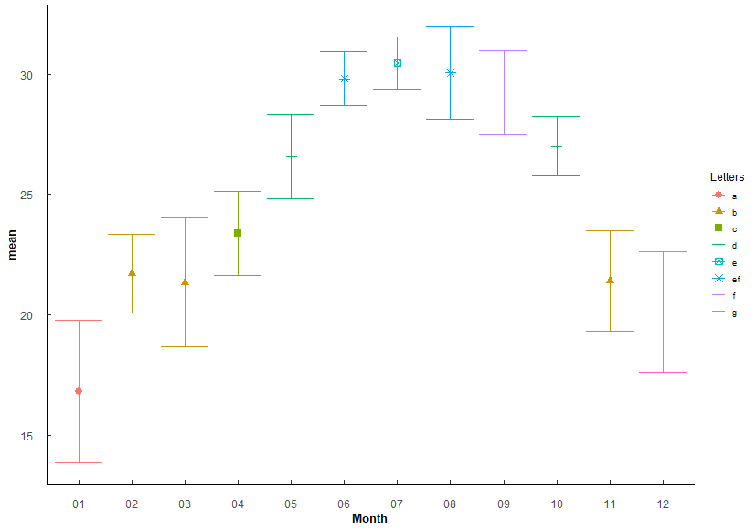
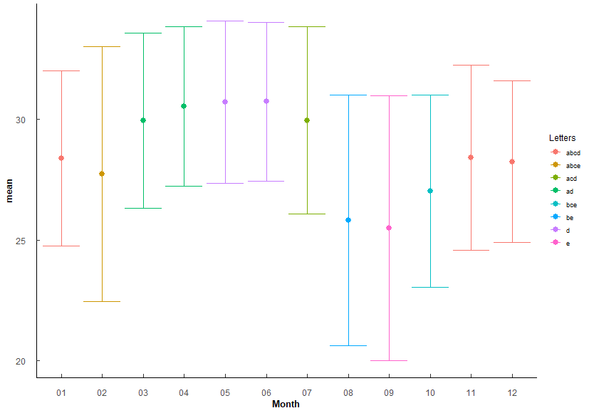
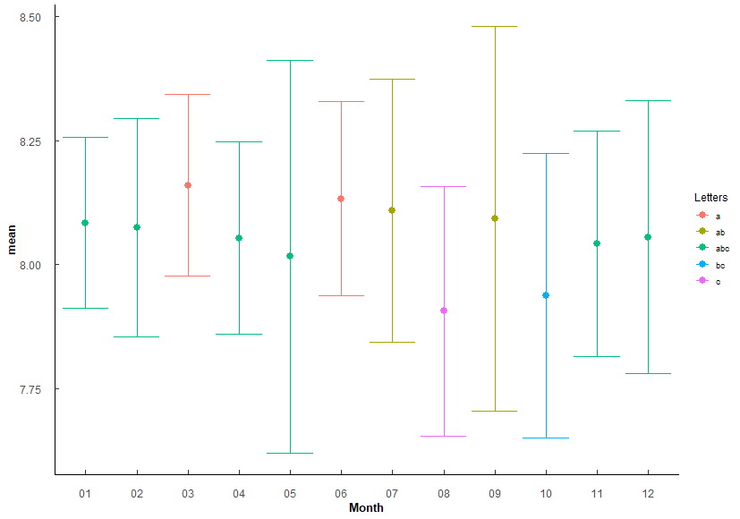
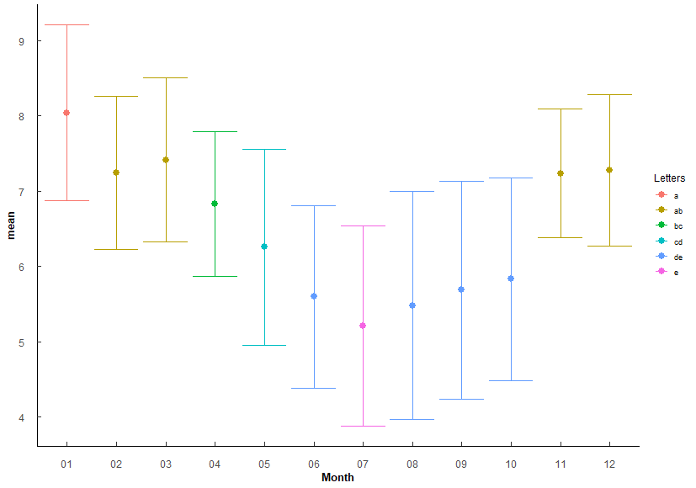
 |  |  |  |  |  |  |  |  | Feb-Jun | 2.11E-67 | 1.01E-65 | *** |  |  |  |  |  |  |  |  |  | Jun-Sep | 2.84E-10 | 1.87E-08 | *** |  |  |  |  |  |  |  |  |  |  |  |  |  |  |  |  |  |  |  |  |  |  | Mar-May | 3.63e- 6 | 1.38E-04 | ***
 |  |  |  |  |  |  |  |  | Feb-Jul | 1.75E-70 | 8.91E-69 | *** |  |  |  |  |  |  |  |  |  | Jun-Oct | 1.72e- 5 | 0.000964 | *** |  |  |  |  |  |  |  |  |  |  |  |  |  |  |  |  |  |  |  |  |  |  | Mar-Jun | 3.08E-13 | 1.76E-11 | ***
 |  |  |  |  |  |  |  |  | Feb-Aug | 7.94E-71 | 4.13E-69 | *** |  |  |  |  |  |  |  |  |  | Jul-Aug | 3.91e- 6 | 0.000223 | *** |  |  |  |  |  |  |  |  |  |  |  |  |  |  |  |  |  |  |  |  |  |  | Mar-Jul | 6.76E-17 | 4.19E-15 | ***
 |  |  |  |  |  |  |  |  | Feb-Sep | 4.81E-64 | 2.21E-62 | *** |  |  |  |  |  |  |  |  |  | Jul-Sep | 2.88e- 7 | 0.0000173 | *** |  |  |  |  |  |  |  |  |  |  |  |  |  |  |  |  |  |  |  |  |  |  | Mar-Aug | 7.67E-15 | 4.60E-13 | ***
 |  |  |  |  |  |  |  |  | Feb-Oct | 4.74E-34 | 1.61E-32 | *** |  |  |  |  |  |  |  |  |  | Sep-Nov | 7.82e- 4 | 0.0391 | * |  |  |  |  |  |  |  |  |  |  |  |  |  |  |  |  |  |  |  |  |  |  | Mar-Sep | 4.32E-13 | 2.42E-11 | ***
 |  |  |  |  |  |  |  |  | Feb-Dec | 9.55E-05 | 1.34E-03 | ** |  |  |  |  |  |  |  |  |  | Sep-Dec | 9.03e- 4 | 0.0433 | * |  |  |  |  |  |  |  |  |  |  |  |  |  |  |  |  |  |  |  |  |  |  | Mar-Oct | 1.99E-10 | 9.36E-09 | ***
 |  |  |  |  |  |  |  |  | Mar-Apr | 4.49E-06 | 7.18E-05 | *** |  |  |  |  |  |  |  |  |  |  |  |  |  |  |  |  |  |  |  |  |  |  |  |  |  |  |  |  |  |  |  |  |  |  |  | Apr-Jun | 1.15e- 5 | 4.27E-04 | ***
 |  |  |  |  |  |  |  |  | Mar-May | 2.84E+34 | 9.95E-33 | *** |  |  |  |  |  |  |  |  |  |  |  |  |  |  |  |  |  |  |  |  |  |  |  |  |  |  |  |  |  |  |  |  |  |  |  | Apr-Jul | 3.37e- 8 | 1.38E-06 | ***
 |  |  |  |  |  |  |  |  | Mar-Jun | 2.99E-75 | 1.61E-73 | *** |  |  |  |  |  |  |  |  |  |  |  |  |  |  |  |  |  |  |  |  |  |  |  |  |  |  |  |  |  |  |  |  |  |  |  | Apr-Aug | 1.5 e- 6 | 5.84E-05 | ***
 |  |  |  |  |  |  |  |  | Mar-Jul | 6.45E-78 | 3.55E-76 | *** |  |  |  |  |  |  |  |  |  |  |  |  |  |  |  |  |  |  |  |  |  |  |  |  |  |  |  |  |  |  |  |  |  |  |  | Apr-Sep | 2.56e- 5 | 9.20E-04 | ***
 |  |  |  |  |  |  |  |  | Mar-Aug | 7.37E-79 | 4.13E-77 | *** |  |  |  |  |  |  |  |  |  |  |  |  |  |  |  |  |  |  |  |  |  |  |  |  |  |  |  |  |  |  |  |  |  |  |  | Apr-Oct | 3.77e- 4 | 1.13E-02 | *
 |  |  |  |  |  |  |  |  | Mar-Sep | 3.09E-72 | 1.64E-70 | *** |  |  |  |  |  |  |  |  |  |  |  |  |  |  |  |  |  |  |  |  |  |  |  |  |  |  |  |  |  |  |  |  |  |  |  | May-Jul | 8.59e- 5 | 2.83E-03 | **
 |  |  |  |  |  |  |  |  | Mar-Oct | 4.95E-40 | 1.98E-38 | *** |  |  |  |  |  |  |  |  |  |  |  |  |  |  |  |  |  |  |  |  |  |  |  |  |  |  |  |  |  |  |  |  |  |  |  | May-Nov | 2.66e- 4 | 8.26E-03 | **
 |  |  |  |  |  |  |  |  | Mar-Dec | 2.12E-03 | 2.55E-02 | * |  |  |  |  |  |  |  |  |  |  |  |  |  |  |  |  |  |  |  |  |  |  |  |  |  |  |  |  |  |  |  |  |  |  |  | May-Dec | 7.59e- 5 | 2.58E-03 | **
 |  |  |  |  |  |  |  |  | Apr-May | 7.05E-12 | 1.41E-10 | *** |  |  |  |  |  |  |  |  |  |  |  |  |  |  |  |  |  |  |  |  |  |  |  |  |  |  |  |  |  |  |  |  |  |  |  | Jun-Nov | 9.07E-10 | 4.08E-08 | ***
 |  |  |  |  |  |  |  |  | Apr-Jun | 6.41E-40 | 2.50E-38 | *** |  |  |  |  |  |  |  |  |  |  |  |  |  |  |  |  |  |  |  |  |  |  |  |  |  |  |  |  |  |  |  |  |  |  |  | Jun-Dec | 6.12E-11 | 3.06E-09 | ***
 |  |  |  |  |  |  |  |  | Apr-Jul | 7.53E-44 | 3.16E-42 | *** |  |  |  |  |  |  |  |  |  |  |  |  |  |  |  |  |  |  |  |  |  |  |  |  |  |  |  |  |  |  |  |  |  |  |  | Jul-Nov | 5.7 e-13 | 3.14E-11 | ***
 |  |  |  |  |  |  |  |  | Apr-Aug | 1.39e-\42 | 5.69E-41 | *** |  |  |  |  |  |  |  |  |  |  |  |  |  |  |  |  |  |  |  |  |  |  |  |  |  |  |  |  |  |  |  |  |  |  |  | Jul-Dec | 2.37E-14 | 1.40E-12 | ***
 |  |  |  |  |  |  |  |  | Apr-Sep | 4.92E-36 | 1.82E-34 | *** |  |  |  |  |  |  |  |  |  |  |  |  |  |  |  |  |  |  |  |  |  |  |  |  |  |  |  |  |  |  |  |  |  |  |  | Aug-Nov | 4.95E-11 | 2.52E-09 | ***
 |  |  |  |  |  |  |  |  | Apr-Oct | 4.40E-15 | 1.10E-13 | *** |  |  |  |  |  |  |  |  |  |  |  |  |  |  |  |  |  |  |  |  |  |  |  |  |  |  |  |  |  |  |  |  |  |  |  | Aug-Dec | 2.41E-12 | 1.30E-10 | ***
 |  |  |  |  |  |  |  |  | Apr-Nov | 2.65E-05 | 3.97E-04 | *** |  |  |  |  |  |  |  |  |  |  |  |  |  |  |  |  |  |  |  |  |  |  |  |  |  |  |  |  |  |  |  |  |  |  |  | Sep-Nov | 1.79e- 9 | 7.89E-08 | ***
Months arranged by increasing mean Temp |  |  |  |  |  |  |  |  | Apr-Dec | 1.92E-12 | 4.03E-11 | *** |  |  |  |  |  |  |  |  |  |  |  |  |  |  |  |  |  |  |  |  |  |  |  |  |  |  |  |  |  |  |  |  |  |  |  | Sep-Dec | 1.09E-10 | 5.32E-09 | ***
Month | mean | sd | Letters |  |  |  |  |  | May-Jun | 6.93E-15 | 1.66E-13 | *** |  |  |  |  |  |  |  |  |  |  |  |  |  |  |  |  |  |  |  |  |  |  |  |  |  |  |  |  |  |  |  |  |  |  |  | Oct-Nov | 1.47e- 7 | 5.86E-06 | ***
1 | 16.806 | 2.958 | a |  |  |  |  |  | May-Jul | 9.12E-19 | 2.55E-17 | *** | Months arranged by increasing mean Salinity |  |  |  |  |  |  |  |  |  |  |  |  | Months arranged by increasing mean pH |  |  |  |  |  |  |  |  |  |  |  |  | Months arranged by increasing mean DO |  |  |  |  |  |  |  |  | Oct-Dec | 1.73e- 8 | 7.45E-07 | ***
12 | 20.123 | 2.506 | g |  |  |  |  |  | May-Aug | 6.85E-17 | 1.85E-15 | *** | Month | mean | sd | Letters |  |  |  |  |  |  |  |  |  | Month | mean | sd | Letters |  |  |  |  |  |  |  |  |  | Month | mean | sd | Letters
3 | 21.342 | 2.673 | b |  |  |  |  |  | May-Sep | 2.07E-11 | 3.73E-10 | *** | 9 | 25.495 | 5.489 | e |  |  |  |  |  |  |  |  |  | 8 | 7.906 | 0.252 | c |  |  |  |  |  |  |  |  |  | 7 | 5.208 | 1.333 | e
11 | 21.394 | 2.092 | b |  |  |  |  |  | May-Nov | 1.13E-29 | 3.73E-28 | *** | 8 | 25.819 | 5.19 | be |  |  |  |  |  |  |  |  |  | 10 | 7.937 | 0.287 | bc |  |  |  |  |  |  |  |  |  | 8 | 5.48 | 1.513 | de
2 | 21.721 | 1.639 | b |  |  |  |  |  | May-Dec | 1.06E-45 | 4.58E-44 | *** | 10 | 27.03 | 3.973 | bce |  |  |  |  |  |  |  |  |  | 5 | 8.016 | 0.396 | abc |  |  |  |  |  |  |  |  |  | 6 | 5.597 | 1.214 | de
4 | 23.376 | 1.74 | c |  |  |  |  |  | Jun-Oct | 8.42E-12 | 1.60E-10 | *** | 2 | 27.723 | 5.279 | abce |  |  |  |  |  |  |  |  |  | 11 | 8.042 | 0.227 | abc |  |  |  |  |  |  |  |  |  | 9 | 5.685 | 1.45 | de
5 | 26.556 | 1.743 | d |  |  |  |  |  | Jun-Nov | 1.98E-66 | 9.31E-65 | *** | 12 | 28.244 | 3.341 | abcd |  |  |  |  |  |  |  |  |  | 4 | 8.053 | 0.194 | abc |  |  |  |  |  |  |  |  |  | 10 | 5.829 | 1.352 | de
10 | 27.006 | 1.218 | d |  |  |  |  |  | Jun-Dec | 1.22E-86 | 7.17E-85 | *** | 1 | 28.38 | 3.617 | abcd |  |  |  |  |  |  |  |  |  | 12 | 8.055 | 0.275 | abc |  |  |  |  |  |  |  |  |  | 5 | 6.257 | 1.302 | cd
9 | 29.232 | 1.757 | f |  |  |  |  |  | Jul-Sep | 2.35E-03 | 2.59E-02 | * | 11 | 28.412 | 3.822 | abcd |  |  |  |  |  |  |  |  |  | 2 | 8.074 | 0.22 | abc |  |  |  |  |  |  |  |  |  | 4 | 6.829 | 0.959 | bc
6 | 29.816 | 1.135 | ef |  |  |  |  |  | Jul-Oct | 1.67E-15 | 4.34E-14 | *** | 3 | 29.93 | 3.626 | ad |  |  |  |  |  |  |  |  |  | 1 | 8.084 | 0.172 | abc |  |  |  |  |  |  |  |  |  | 11 | 7.236 | 0.857 | ab
8 | 30.05 | 1.907 | ef |  |  |  |  |  | Jul-Nov | 1.29E-69 | 6.30E-68 | *** | 7 | 29.95 | 3.87 | acd |  |  |  |  |  |  |  |  |  | 9 | 8.092 | 0.388 | ab |  |  |  |  |  |  |  |  |  | 2 | 7.243 | 1.019 | ab
7 | 30.468 | 1.09 | e |  |  |  |  |  | Jul-Dec | 7.16E-89 | 4.36E-87 | ** | 4 | 30.527 | 3.294 | ad |  |  |  |  |  |  |  |  |  | 7 | 8.109 | 0.265 | ab |  |  |  |  |  |  |  |  |  | 12 | 7.277 | 1.003 | ab
 |  |  |  |  |  |  |  |  | Aug-Oct | 1.28E-13 | 2.81E-12 | *** | 5 | 30.712 | 3.352 | d |  |  |  |  |  |  |  |  |  | 6 | 8.133 | 0.195 | a |  |  |  |  |  |  |  |  |  | 3 | 7.414 | 1.09 | ab
1 < 12 < 2/3/11 < 4 < 5/10 < 9 ≤ 6/7 ≤ 7 |  |  |  |  |  |  |  |  | Aug-Nov | 1.17E-69 | 5.87E-68 | *** | 6 | 30.729 | 3.285 | d |  |  |  |  |  |  |  |  |  | 3 | 8.16 | 0.183 | a |  |  |  |  |  |  |  |  |  | 1 | 8.043 | 1.17 | a
 |  |  |  |  |  |  |  |  | Aug-Dec | 3.69E-90 | 2.29E-88 | ***
 |  |  |  |  |  |  |  |  | Sep-Oct | 1.38E-08 | 2.35E-07 | *** | 9 ≤ 8 ≤ 10 ≤ 2 ≤ 1/11/12 ≤ 3 ≤ 7 ≤ 4 ≤ 5/6 |  |  |  |  |  |  |  |  |  |  |  |  | 8 ≤ 10 ≤ 5/11/4/12/2/1 ≤ 7/9 ≤ 3/6 |  |  |  |  |  |  |  |  |  |  |  |  | 7 ≤ 6/8/9/10 ≤ 5 ≤ 4 ≤ 2/3/11/12 ≤ 1
 |  |  |  |  |  |  |  |  | Sep-Nov | 5.10E-63 | 2.30E-61 | ***
 |  |  |  |  |  |  |  |  | Sep-Dec | 4.91E-84 | 2.85E-82 | ***
 |  |  |  |  |  |  |  |  | Oct-Nov | 1.10E-34 | 3.96E-33 | ***
 |  |  |  |  |  |  |  |  | Oct-Dec | 9.37E-52 | 4.12E-50 | ***
 |  |  |  |  |  |  |  |  | Nov-Dec | 3.00E-03 | 3.00E-02 | *

Q3
Q3: Do WQ paramters vary among stations? (How to group for analyses.)
PermANOVA, pairwise-t-test holm adjustment |  |  |  |  |  |  |  |  | PermANOVA, pairwise-t-test holm adjustment |  |  |  |  |  |  |  |  |  |  |  |  | PermANOVA, pairwise-t-test holm adjustment |  |  |  |  |  |  |  |  |  |  |  |  | PermANOVA, pairwise-t-test holm adjustment
Station_temp <- aovp(Temperature ~ Station, data = ungroup(TB_WQ_df), perm = "", nperm = 10000) |  |  |  |  |  |  |  |  | Station_sal <- aovp(Salinity ~ Station, data = ungroup(TB_WQ_df), perm = "", nperm = 10000) |  |  |  |  |  |  |  |  |  |  |  |  | Station_pH <- aovp(pH ~ Station, data = ungroup(TB_WQ_df), perm = "", nperm = 10000) |  |  |  |  |  |  |  |  |  |  |  |  | Station_DO <- aovp(DO_mgl ~ Station, data = ungroup(TB_WQ_df), perm = "", nperm = 10000)

 | Df | Sum Sq | Mean Sq | F value | Pr(>F) |  |  |  |  | Df | Sum Sq | Mean Sq | F value | Pr(>F) |  |  |  |  |  |  |  |  | Df | Sum Sq | Mean Sq | F value | Pr(>F) |  |  |  |  |  |  |  |  | Df | Sum Sq | Mean Sq | F value | Pr(>F)
Station | 4 | 113 | 28.26 | 1.222 | 3.00E-01 | No significant difference |  |  | Station | 4 | 5874 | 1468.4 | 156 | 2.00E-16 | *** | F 4, 537 = 156, P < 0.001 |  |  |  |  |  | Station | 4 | 8.15 | 2.0383 | 33.18 | 2.00E-16 | *** | F 4, 539 = 33.18, p < 0.001 |  |  |  |  |  | Station | 4 | 121.2 | 30.297 | 14.74 | 1.97E-11 | *** | F 4, 539 = 14.74, p < 0.001
Residuals | 539 | 12463 | 23.12 |  |  |  |  |  | Residuals | 537 | 5054 | 9.4 |  |  |  |  |  |  |  |  |  | Residuals | 539 | 33.12 | 0.0614 |  |  |  |  |  |  |  |  |  | Residuals | 539 | 1108.2 | 2.056

Station | n | mean | sd | min | max | lower | upper | Letters | Station | n | mean | sd | min | max | lower | upper | Letters | Comparison | p.value | p.adjust |  | Station | n | mean | sd | min | max | lower | upper | Letters | Comparison | p.value | p.adjust |  | Station | n | mean | sd | min | max | lower | upper | Letters | Comparison | p.value | p.adjust
1 | 102 | 24.563 | 4.87 | 8.05 | 31.898 | 19.693 | 29.433 | a | 1 | 100 | 28.6 | 4.74 | 0.45 | 36.85 | 23.86 | 33.34 | a | 1 v 2 | 2.47e- 5 | 9.89E-05 | *** | 1 | 102 | 8.052 | 0.256 | 6.9 | 8.737 | 7.796 | 8.308 | a | 1 v 2 | 1.67e- 4 | 7.09E-04 | *** | 1 | 102 | 6.608 | 1.334 | 3.05 | 11.8 | 5.274 | 7.942 | a | 1 v 2 | 5.65e- 4 | 2.87E-03 | **
2 | 97 | 24.728 | 4.791 | 14.4 | 32.155 | 19.937 | 29.519 | a | 2 | 97 | 30.46 | 2.21 | 22.27 | 35.97 | 28.25 | 32.67 | b | 1 v 3 | 3.82E-10 | 2.29E-09 | *** | 2 | 97 | 8.185 | 0.182 | 7.48 | 8.741 | 8.003 | 8.367 | b | 1 v 3 | 1.31e- 4 | 7.09E-04 | *** | 2 | 97 | 7.313 | 1.245 | 3.86 | 10.6 | 6.068 | 8.558 | b | 1 v 5 | 3.48e- 4 | 2.44E-03 | **
3 | 120 | 24.986 | 4.766 | 14.84 | 32.093 | 20.22 | 29.752 | a | 3 | 120 | 31.25 | 2.153 | 24.22 | 38.84 | 29.097 | 33.403 | b | 1 v 4 | 1 e- 7 | 5.02E-07 | *** | 3 | 120 | 8.18 | 0.17 | 7.53 | 8.78 | 8.01 | 8.35 | b | 1 v 5 | 6.59e- 8 | 5.27E-07 | *** | 3 | 120 | 6.563 | 1.571 | 0.68 | 9.603 | 4.992 | 8.134 | a | 2 v 3 | 1.41e- 4 | 1.13E-03 | **
4 | 81 | 26.03 | 4.617 | 14.6 | 33.3 | 21.413 | 30.647 | a | 4 | 81 | 31.076 | 2.637 | 15.17 | 34.84 | 28.439 | 33.713 | b | 1 v 5 | 3.83E-36 | 2.68E-35 | *** | 4 | 81 | 8.042 | 0.243 | 7.31 | 8.55 | 7.799 | 8.285 | a | 2 v 4 | 1.44e- 4 | 7.09E-04 | *** | 4 | 81 | 6.14 | 1.564 | 3.22 | 9.25 | 4.576 | 7.704 | ac | 2 v 4 | 8.3 e- 8 | 7.47E-07 | ***
5 | 144 | 24.94 | 4.915 | 13.157 | 32.1 | 20.025 | 29.855 | a | 5 | 144 | 23.193 | 2.96 | 8.48 | 28.8 | 20.233 | 26.153 | c | 2 v 5 | 3.41E-57 | 2.73E-56 | *** | 5 | 144 | 7.876 | 0.325 | 6.2 | 8.39 | 7.551 | 8.201 | c | 2 v 5 | 7.37E-20 | 6.63E-19 | *** | 5 | 144 | 5.94 | 1.424 | 1.79 | 10.7 | 4.516 | 7.364 | c | 2 v 5 | 1.10E-12 | 1.10E-11 | ***
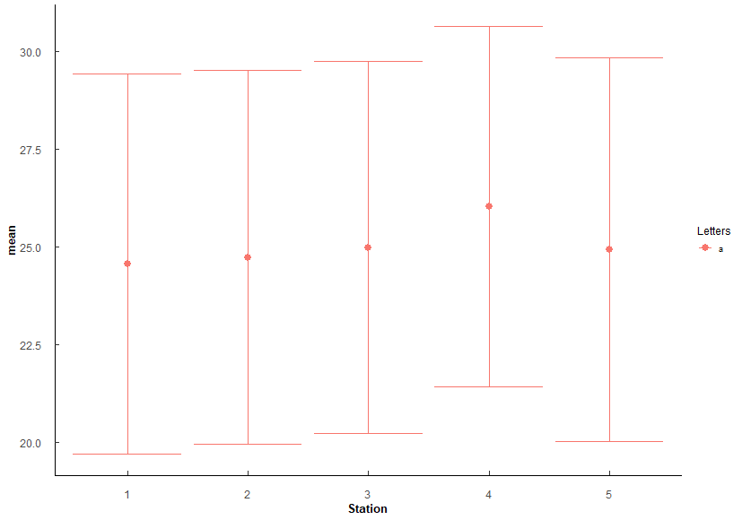
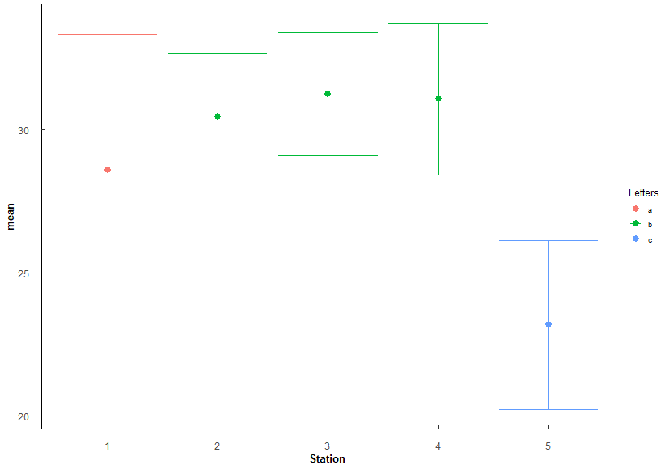
 |  |  |  |  |  |  |  |  |  |  |  |  |  |  |  |  |  | 3 v 5 | 3.56E-73 | 3.56E-72 | *** |  |  |  |  |  |  |  |  |  | 3 v 4 | 1.18e- 4 | 7.09E-04 | *** |  |  |  |  |  |  |  |  |  | 3 v 5 | 4.78e- 4 | 2.87E-03 | **
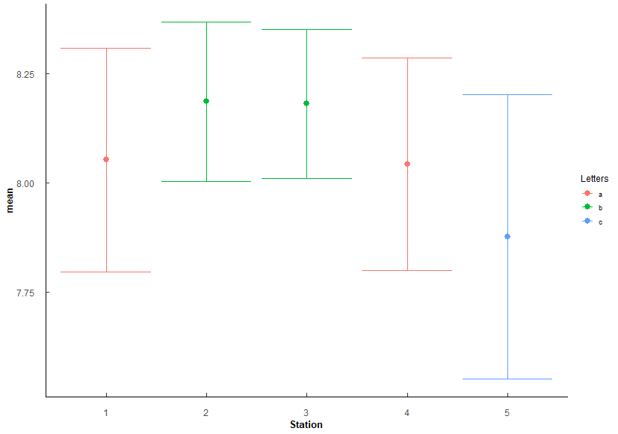
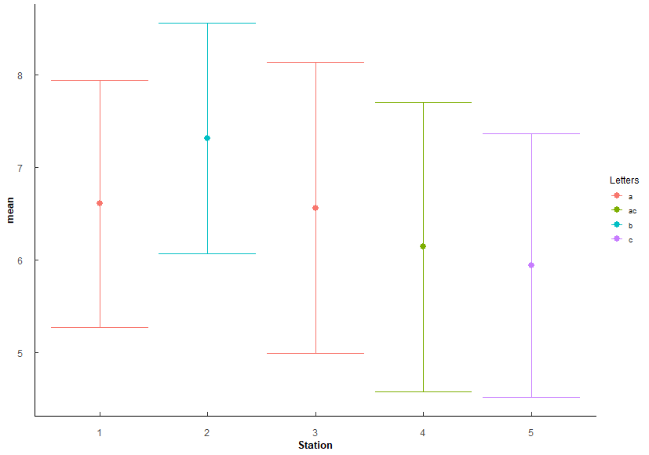
 |  |  |  |  |  |  |  |  |  |  |  |  |  |  |  |  |  | 4 v 5 | 1.72E-59 | 1.55E-58 | *** |  |  |  |  |  |  |  |  |  | 3 v 5 | 1.80E-21 | 1.80E-20 | ***
 |  |  |  |  |  |  |  |  |  |  |  |  |  |  |  |  |  |  |  |  |  |  |  |  |  |  |  |  |  |  | 4 v 5 | 1.82e- 6 | 1.27E-05 | ***

 |  |  |  |  |  |  |  |  | Stations arranged by increasing mean Salinity |  |  |  |  |  |  |  |  |  |  |  |  | Stations arranged by increasing mean pH |  |  |  |  |  |  |  |  |  |  |  |  | Stations arranged bu increasing mean DO
 |  |  |  |  |  |  |  |  | Station | mean | sd | Letters |  |  |  |  |  |  |  |  |  | Station | mean | sd | Letters |  |  |  |  |  |  |  |  |  | Station | mean | sd | Letters
 |  |  |  |  |  |  |  |  | 5 | 23.193 | 2.96 | c |  |  |  |  |  |  |  |  |  | 5 | 7.876 | 0.325 | c |  |  |  |  |  |  |  |  |  | 5 | 5.94 | 1.424 | c
 |  |  |  |  |  |  |  |  | 1 | 28.6 | 4.74 | a |  |  |  |  |  |  |  |  |  | 4 | 8.042 | 0.243 | a |  |  |  |  |  |  |  |  |  | 4 | 6.14 | 1.564 | ac
 |  |  |  |  |  |  |  |  | 2 | 30.46 | 2.21 | b |  |  |  |  |  |  |  |  |  | 1 | 8.052 | 0.256 | a |  |  |  |  |  |  |  |  |  | 3 | 6.563 | 1.571 | a
 |  |  |  |  |  |  |  |  | 4 | 31.076 | 2.637 | b |  |  |  |  |  |  |  |  |  | 3 | 8.18 | 0.17 | b |  |  |  |  |  |  |  |  |  | 1 | 6.608 | 1.334 | a
 |  |  |  |  |  |  |  |  | 3 | 31.25 | 2.153 | b |  |  |  |  |  |  |  |  |  | 2 | 8.185 | 0.182 | b |  |  |  |  |  |  |  |  |  | 2 | 7.313 | 1.245 | b

 |  |  |  |  |  |  |  |  | 5 < 1 < 2/3/4 |  |  |  |  |  |  |  |  |  |  |  |  | 5 < 1/4 < 2/3 |  |  |  |  |  |  |  |  |  |  |  |  | 5 ≤ 4 ≤ 1/3 ≤ 2
 |  |  |  |  |  |  |  |  | Lowest at 5, highest at 2-4, most variable at 1

Q4
Q4: Oyster similaries among stations? - SH, TW, CI
PermANOVA, pairwise-t-test holm adjustment |  |  |  |  |  |  |  |  |  |  |  |  | PermANOVA, pairwise-t-test holm adjustment |  |  |  |  |  |  |  |  |  |  |  |  | PermANOVA, pairwise-t-test holm adjustment |  |  |  |  |  |  |  |  |  |  |  |  | PermANOVA, pairwise-t-test holm adjustment
Station_SH <- aovp(SH ~ Station, data = ungroup(TB_CI), perm = "", nperm = 10000) |  |  |  |  |  |  |  |  |  |  |  |  | Station_TW <- aovp(TW ~ Station, data = ungroup(TB_CI), perm = "", nperm = 10000) |  |  |  |  |  |  |  |  |  |  |  |  | Station_CI <- aovp(CI ~ Station, data = ungroup(TB_CI), perm = "", nperm = 10000) |  |  |  |  |  |  |  |  |  |  |  |  | Station_CI <- aovp(CI ~ Station, data = ungroup(TB_CI), perm = "", nperm = 10000)

Shell Height | Df | Sum Sq | Mean Sq | F value | Pr(>F) |  |  |  |  |  |  |  | TotalWeight | Df | Sum Sq | Mean Sq | F value | Pr(>F) |  |  |  |  |  |  |  | ConditionIndex | Df | Sum Sq | Mean Sq | F value | Pr(>F) |  |  |  |  |  |  |  | CI_Hanley | Df | Sum Sq | Mean Sq | F value | Pr(>F)
Station | 4 | 11633 | 2908.2 | 34.03 | 2.00E-16 | *** | F 4, 1145 = 34.03, p < 0.001 |  |  |  |  |  | Station | 4 | 39331 | 9833 | 72.2 | 2.00E-16 | *** | F 4, 1145 = 72.2, p < 0.001 |  |  |  |  |  | Station | 4 | 88.1 | 22.022 | 10.16 | 4.40E-08 | *** | F 4, 1145 = 10.16, p < 0.001 |  |  |  |  |  | Station | 4 | 2985 | 746.3 | 47.28 | 2.00E-16 | *** | F 4, 1145 = 47.28, p < 0.001
Residuals | 1145 | 97854 | 85.5 |  |  |  |  |  |  |  |  |  | Residuals | 1145 | 155925 | 136 |  |  |  |  |  |  |  |  |  | Residuals | 1145 | 2482.1 | 2.168 |  |  |  |  |  |  |  |  |  | Residuals | 1145 | 18075 | 15.8

Station | n | mean | sd | min | max | lower | upper | Letters | Comparison | p.value | p.adjust |  | Station | n | mean | sd | min | max | lower | upper | Letters | Comparison | p.value | p.adjust |  | Station | n | mean | sd | min | max | lower | upper | Letters | Comparison | p.value | p.adjust |  | Station | n | mean | sd | min | max | lower | upper | Letters | Comparison | p.value | p.adjust
1 | 230 | 49.756 | 7.717 | 33.36 | 87.37 | 42.039 | 57.473 | a | 1v2 | 1.39e- 6 | 6.97E-06 | *** | 1 | 230 | 16.628 | 6.448 | 6.45 | 47.48 | 10.18 | 23.076 | a | 1 v 2 | 3.03E-13 | 1.51E-12 | *** | 1 | 230 | 4.015 | 1.362 | 1.464 | 8.42 | 2.653 | 5.377 | ab | 1 v 5 | 0.00000176 | 1.59E-05 | *** | 1 | 230 | 15.124 | 4.094 | 7.098 | 28.954 | 11.03 | 19.218 | a | 1 v 2 | 1.04E-21 | 8.31E-21 | ***
2 | 230 | 53.938 | 8.658 | 21.8 | 80.1 | 45.28 | 62.596 | b | 1v3 | 1.57E-13 | 1.25E-12 | *** | 2 | 230 | 24.659 | 8.933 | 6.62 | 57.26 | 15.726 | 33.592 | b | 1 v 3 | 1.3 e-26 | 1.04E-25 | *** | 2 | 230 | 4.184 | 1.44 | 1.116 | 9.091 | 2.744 | 5.624 | ab | 2 v 5 | 0.000365 | 2.92E-03 | ** | 2 | 230 | 11.505 | 3.515 | 4.253 | 27.252 | 7.99 | 15.02 | b | 1 v 3 | 1.41E-27 | 1.41E-26 | ***
3 | 230 | 56.197 | 10.447 | 29.37 | 88.47 | 45.75 | 66.644 | c | 1v4 | 1.5 e- 2 | 3.01E-02 | * | 3 | 230 | 28.545 | 13.941 | 5.18 | 73.22 | 14.604 | 42.486 | c | 1 v 4 | 3.84e- 3 | 3.84E-03 | ** | 3 | 230 | 3.856 | 1.095 | 1.508 | 6.523 | 2.761 | 4.951 | a | 3 v 4 | 0.00245 | 1.71E-02 | * | 3 | 230 | 10.985 | 3.993 | 4.39 | 30.513 | 6.992 | 14.978 | b | 1 v 4 | 3.24e- 4 | 1.29E-03 | **
4 | 230 | 51.855 | 7.483 | 33.53 | 76 | 44.372 | 59.338 | d | 1v5 | 9.93E-25 | 9.93E-24 | *** | 4 | 230 | 19.781 | 8.011 | 6.32 | 53.9 | 11.77 | 27.792 | d | 1 v 5 | 2.93E-46 | 2.93E-45 | *** | 4 | 230 | 4.273 | 1.281 | 1.7 | 9.268 | 2.992 | 5.554 | b | 3 v 5 | 3.4E-09 | 3.40E-08 | *** | 4 | 230 | 13.788 | 3.967 | 6.48 | 29.512 | 9.821 | 17.755 | c | 1 v 5 | 1.25E-22 | 1.12E-21 | ***
5 | 230 | 58.816 | 11.3 | 29.13 | 99.12 | 47.516 | 70.116 | e | 2v3 | 8.91e- 3 | 2.67E-02 | * | 5 | 230 | 32.889 | 17.349 | 6.86 | 103.2 | 15.54 | 50.238 | e | 2 v 3 | 3.71e- 4 | 7.42E-04 | *** | 5 | 230 | 4.674 | 2.017 | 1.245 | 10.714 | 2.657 | 6.691 | c | 4 v 5 | 3.56E-03 | 2.13E-02 | * | 5 | 230 | 11.419 | 4.258 | 3.405 | 29.437 | 7.161 | 15.677 | b | 2 v 4 | 9.86E-10 | 4.93E-09 | ***
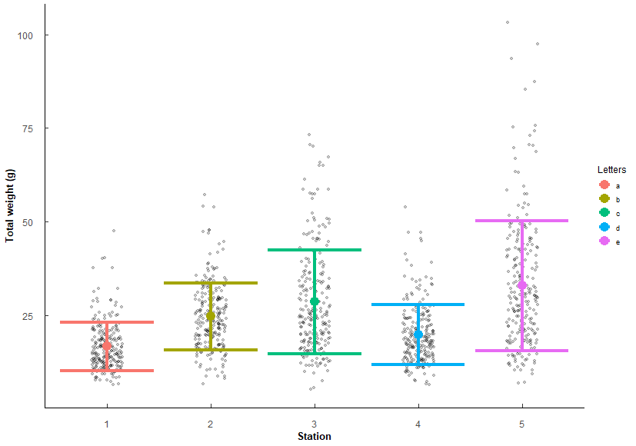
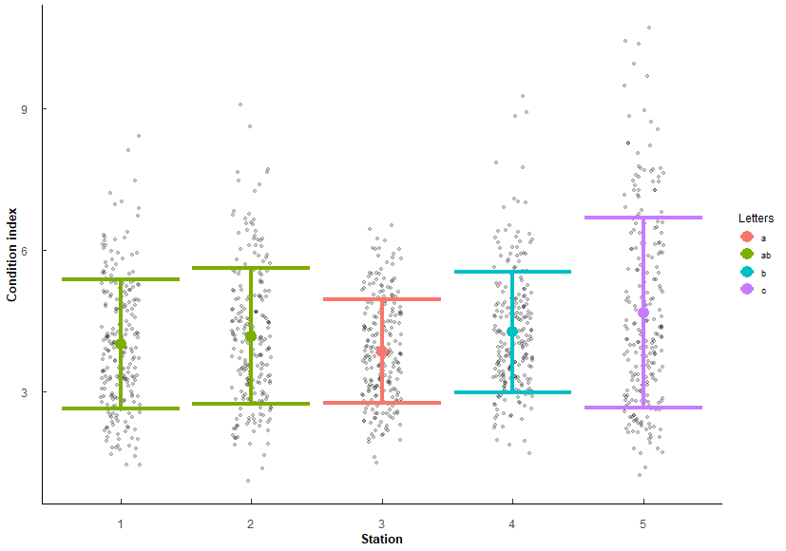
 |  |  |  |  |  |  |  |  | 2v4 | 1.58e- 2 | 3.01E-02 | * |  |  |  |  |  |  |  |  |  | 2 v 4 | 8.10e- 6 | 3.24E-05 | *** |  |  |  |  |  |  |  |  |  |  |  |  |  |  |  |  |  |  |  |  |  |  | 3 v 4 | 7.94E-14 | 5.56E-13 | ***
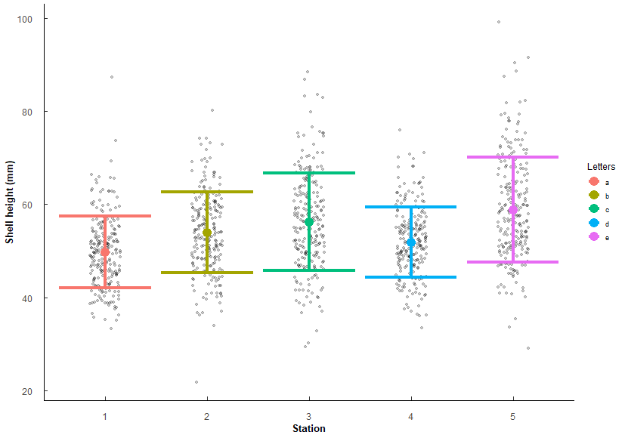
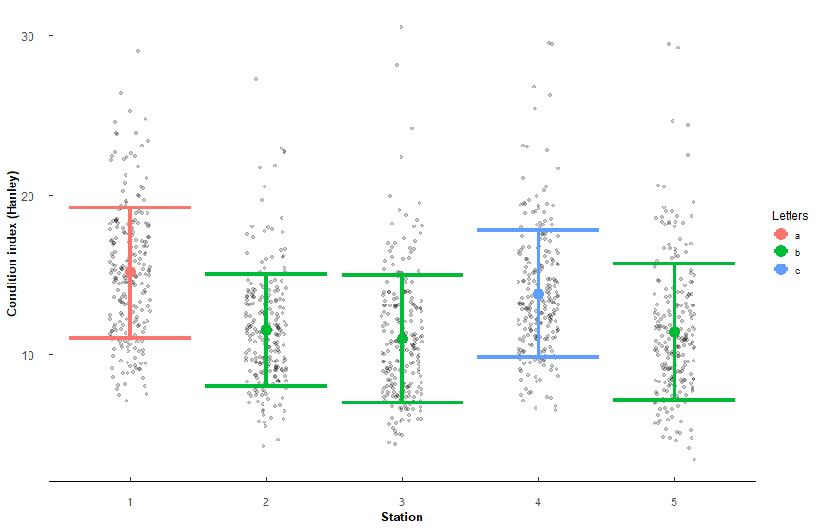
 |  |  |  |  |  |  |  |  | 2v5 | 1.93e- 8 | 1.35E-07 | *** |  |  |  |  |  |  |  |  |  | 2 v 5 | 8.06E-14 | 4.83E-13 | *** |  |  |  |  |  |  |  |  |  |  |  |  |  |  |  |  |  |  |  |  |  |  | 4 v 5 | 2.36E-10 | 1.41E-09 | ***
 |  |  |  |  |  |  |  |  | 3v4 | 5.50e- 7 | 3.30E-06 | *** |  |  |  |  |  |  |  |  |  | 3 v 4 | 2 e-15 | 1.40E-14 | ***
 |  |  |  |  |  |  |  |  | 3v5 | 2.43e- 3 | 9.72E-03 | ** |  |  |  |  |  |  |  |  |  | 3 v 5 | 6.96e- 5 | 2.09E-04 | ***
 |  |  |  |  |  |  |  |  | 4v5 | 1.69E-15 | 1.52E-14 | *** |  |  |  |  |  |  |  |  |  | 4 v 5 | 1.5 e-31 | 1.35E-30 | ***

Stations arranged by increasing mean SH |  |  |  |  |  |  |  |  |  |  |  |  | Stations arrange by increasing mean TW |  |  |  |  |  |  |  |  |  |  |  |  | Stations arranged by increasing mean CI |  |  |  |  |  |  |  |  |  |  |  |  | Stations arranged by increasing mean CI_Hanley
Station | mean | sd | Letters |  |  |  |  |  |  |  |  |  | Station | mean | sd | Letters |  |  |  |  |  |  |  |  |  | Station | mean | sd | Letters |  |  |  |  |  |  |  |  |  | Station | mean | sd | Letters
1 | 49.756 | 7.717 | a |  |  |  |  |  |  |  |  |  | 1 | 16.628 | 6.448 | a |  |  |  |  |  |  |  |  |  | 3 | 3.856 | 1.095 | a |  |  |  |  |  |  |  |  |  | 3 | 10.985 | 3.993 | b
4 | 51.855 | 7.483 | d |  |  |  |  |  |  |  |  |  | 4 | 19.781 | 8.011 | d |  |  |  |  |  |  |  |  |  | 1 | 4.015 | 1.362 | ab |  |  |  |  |  |  |  |  |  | 5 | 11.419 | 4.258 | b
2 | 53.938 | 8.658 | b |  |  |  |  |  |  |  |  |  | 2 | 24.659 | 8.933 | b |  |  |  |  |  |  |  |  |  | 2 | 4.184 | 1.44 | ab |  |  |  |  |  |  |  |  |  | 2 | 11.505 | 3.515 | b
3 | 56.197 | 10.447 | c |  |  |  |  |  |  |  |  |  | 3 | 28.545 | 13.941 | c |  |  |  |  |  |  |  |  |  | 4 | 4.273 | 1.281 | b |  |  |  |  |  |  |  |  |  | 4 | 13.788 | 3.967 | c
5 | 58.816 | 11.3 | e |  |  |  |  |  |  |  |  |  | 5 | 32.889 | 17.349 | e |  |  |  |  |  |  |  |  |  | 5 | 4.674 | 2.017 | c |  |  |  |  |  |  |  |  |  | 1 | 15.124 | 4.094 | a
 |  |  |  |  |  |  |  |  |  |  |  |  | Same order as SH (which makes sense since increasing size should increase weight). |  |  |  |  |  |  |  |  |  |  |  |  | 3 ≤ 1/2 ≤ 4 < 5 |  |  |  |  |  |  |  |  |  |  |  |  | 2/3/5 < 4 < 1
 |  |  |  |  |  |  |  |  |  |  |  |  | Factors are co-linear so should only need to use either SH or TW in any future models.

Q5
Q5: Does Polydora and Cliona differ in parasite prevalence in TB Oysters?
# infected / # total oysters per sample (1 sample = 1 year/month/station) i.e. 3 infected / 5 oysters = 0.6 proportion infected
quaisbinomial generalized linear model (inclusive of 0 and 1 proportions), emmeans post-hoc holm's adjustment
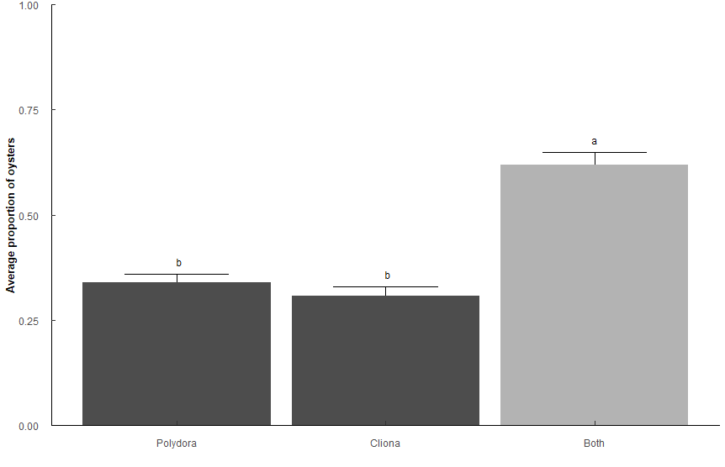
Types: Only "Polydora", only "Cliona", "Both" polydora and cliona

Pest_model <- glm(Prop ~ Type, family = quasibinomial, data = t1)

 | Sum Sq | Df | F value | Pr(>F)
Type | 25.35 | 2 | 41.333 | 2.20E-16 | ***
Residuals | 89.853 | 293

Type | n | mean | sd | min | max | lower | upper | Lower | Upper | Letters
Both | 128 | 0.619 | 0.335 | 0.2 | 1 | 0.284 | 0.954 | 0.5711942 | 0.6641329 | a
Cliona | 62 | 0.306 | 0.18 | 0.2 | 0.8 | 0.126 | 0.486 | 0.2467994 | 0.3733747 | b
Polydora | 106 | 0.34 | 0.207 | 0.2 | 1 | 0.133 | 0.547 | 0.2916094 | 0.3911758 | b

contrast | odds.ratio | SE | z.ratio | p.value
Polydora / Cliona | 1.16E+00 | 0.22136096 | 0.7980804 | 4.25E-01 | ns
Polydora / Both | 3.17E-01 | 0.0481157 | -7.5686129 | 1.13E-13 | ***
Cliona / Both | 2.72E-01 | 0.04977772 | -7.1158115 | 2.23E-12 | ***

Q6
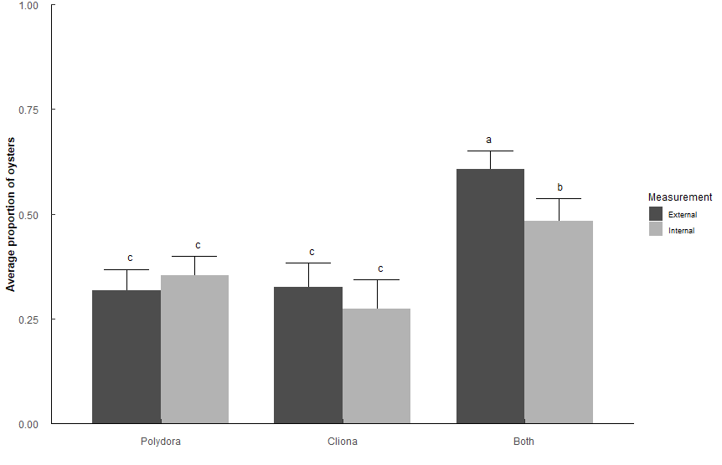
Q6: Does Polydora or Cliona differ in parasite prevalence impact among shell surfaces in TB Oysters?
# infected / # total oysters per sample (1 sample = 1 year/month/station) i.e. 3 infected / 5 oysters = 0.6 proportion infected
quaisbinomial generalized linear model (inclusive of 0 and 1 proportions), emmeans post-hoc holm's adjustment
Types: Only "Polydora", only "Cliona", "Both" polydora and cliona
Measurements: Internal, External

Side_model <- glm(Prop ~ Type * Measurement, family = quasibinomial, data = t2)

 | Sum Sq | Df | F value | Pr(>F)
Type | 27.283 | 2 | 5.33E+01 | < 2.2e-16 | ***
Measurement | 1.149 | 1 | 4.4932 | 0.034497 | *
Type:Measurement | 2.673 | 2 | 5.2263 | 0.005656 | **
Residuals | 134.779 | 527

Type | Measurement | n | mean | sd | min | max | lower | upper | Lower | Upper | Letters
Both | External | 124 | 0.608 | 0.336 | 0.2 | 1 | 0.272 | 0.944 | 0.5638623 | 0.6505631 | a
Both | External | 124 | 0.608 | 0.336 | 0.2 | 1 | 0.272 | 0.944 | 0.4306947 | 0.5371163 | b
Both | Internal | 86 | 0.484 | 0.284 | 0.2 | 1 | 0.2 | 0.768 | 0.5638623 | 0.6505631 | a
Both | Internal | 86 | 0.484 | 0.284 | 0.2 | 1 | 0.2 | 0.768 | 0.4306947 | 0.5371163 | b
Cliona | External | 69 | 0.325 | 0.194 | 0.2 | 0.8 | 0.131 | 0.519 | 0.2714305 | 0.3827948 | c
Cliona | External | 69 | 0.325 | 0.194 | 0.2 | 0.8 | 0.131 | 0.519 | 0.213738 | 0.3436255 | c
Cliona | Internal | 46 | 0.274 | 0.122 | 0.2 | 0.6 | 0.152 | 0.396 | 0.2714305 | 0.3827948 | c
Cliona | Internal | 46 | 0.274 | 0.122 | 0.2 | 0.6 | 0.152 | 0.396 | 0.213738 | 0.3436255 | c
Polydora | External | 90 | 0.318 | 0.192 | 0.2 | 1 | 0.126 | 0.51 | 0.3119016 | 0.3989874 | c
Polydora | External | 90 | 0.318 | 0.192 | 0.2 | 1 | 0.126 | 0.51 | 0.271229 | 0.3682783 | c
Polydora | Internal | 118 | 0.354 | 0.193 | 0.2 | 1 | 0.161 | 0.547 | 0.3119016 | 0.3989874 | c
Polydora | Internal | 118 | 0.354 | 0.193 | 0.2 | 1 | 0.161 | 0.547 | 0.271229 | 0.3682783 | c

contrast |  | odds.ratio | SE | z.ratio | p.value
External Polydora / External Both |  | 0.3002359 | 0.04429043 | -8.156161 | 5.19E-15
External Polydora / Internal Both |  | 0.4971498 | 0.07863065 | -4.418634 | 9.93E-05
Internal Polydora / External Both |  | 0.3535788 | 0.04760713 | -7.721487 | 1.61E-13
Internal Polydora / Internal Both |  | 0.5854785 | 0.08561332 | -3.6609 | 2.01E-03
External Cliona / External Both |  | 0.3098325 | 0.04953423 | -7.329033 | 2.78E-12
External Cliona / Internal Both |  | 0.5130406 | 0.08708624 | -3.931774 | 7.59E-04
Internal Cliona / External Both |  | 0.2431582 | 0.04652247 | -7.390754 | 1.90E-12
Internal Cliona / Internal Both |  | 0.402637 | 0.08038567 | -4.556619 | 5.72E-05
External Both / Internal Both |  | 1.6558642 | 0.23744276 | 3.517018 | 3.05E-03

Q7
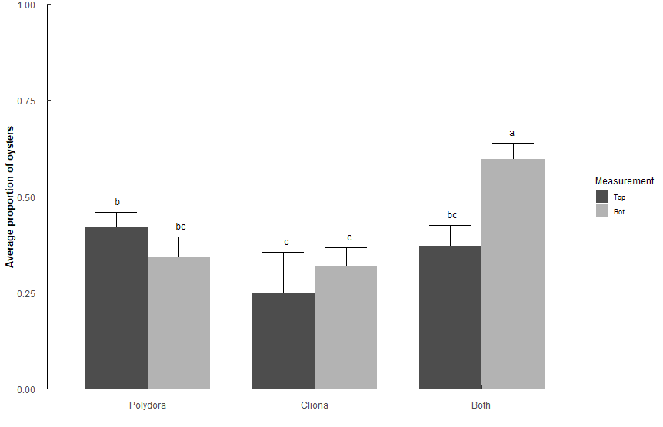
Q7: Does Polydora or Cliona differ in parasite prevalence impact among shell position in TB Oysters?
# infected / # total oysters per sample (1 sample = 1 year/month/station) i.e. 3 infected / 5 oysters = 0.6 proportion infected
quaisbinomial generalized linear model (inclusive of 0 and 1 proportions), emmeans post-hoc holm's adjustment
Types: Only "Polydora", only "Cliona", "Both" polydora and cliona
Measurements: Top, Bottom

Position_model <- glm(Prop ~ Type * Measurement, family = quasibinomial, data = t3)

 | Sum Sq | Df | F value | Pr(>F)
Type | 13.535 | 2 | 2.78E+01 | 3.24E-12 | ***
Measurement | 2.159 | 1 | 8.88E+00 | 0.003013 | **
Type:Measurement | 9.101 | 2 | 18.7225 | 1.40E-08 | ***
Residuals | 126.877 | 522

Measurement | Type | n | mean | sd | min | max | SE | Lower | Upper | Letters
Bottom | Both | 119 | 0.597 | 0.323 | 0.2 | 1 | 0.02217099 | 0.5525345 | 0.6392341 | a
Bottom | Cliona | 84 | 0.317 | 0.187 | 0.2 | 0.8 | 0.02502266 | 0.2697723 | 0.367609 | c
Bottom | Polydora | 79 | 0.342 | 0.203 | 0.2 | 1 | 0.02630865 | 0.2922219 | 0.3950349 | bc
Top | Both | 78 | 0.372 | 0.201 | 0.2 | 0.8 | 0.02697806 | 0.3206224 | 0.4260132 | bc
Top | Cliona | 20 | 0.25 | 0.089 | 0.2 | 0.4 | 0.04773548 | 0.1683176 | 0.3544291 | c
Top | Polydora | 148 | 0.419 | 0.237 | 0.2 | 1 | 0.01999439 | 0.3803178 | 0.4585388 | b

contrast |  | odds.ratio | SE | z.ratio | p.value
Top Polydora / Top Cliona |  | 2.1627907 | 0.57857072 | 2.883615 | 3.54E-02 | *
Top Polydora / Bot Cliona |  | 1.5556916 | 0.22065931 | 3.115624 | 1.84E-02 | *
Top Polydora / Bottom Both |  | 0.4873895 | 0.0601559 | -5.822917 | 6.94E-08 | ***
Bottom Polydora / Bottom Both |  | 0.3510293 | 0.05225913 | -7.032024 | 2.85E-11 | ***
Top Cliona / Bottom Both |  | 0.2253521 | 0.06101292 | -5.503674 | 4.09E-07 | ***
Bot Cliona / Bottom Both |  | 0.3132944 | 0.04632003 | -7.850021 | 6.24E-14 | ***
Top Both / Bottom Both |  | 0.400115 | 0.05911529 | -6.199862 | 7.35E-09 | ***

Q8
Q8: Does Polydora and Cliona differ in parasite prevalence in TB Oysters among stations? |  |  |  |  |  |  |  |  |  |  | Sake of curiosity, what happens if we only look at Cliona or Polydora, not Both?
# infected / # total oysters per sample (1 sample = 1 year/month/station) i.e. 3 infected / 5 oysters = 0.6 proportion infected |  |  |  |  |  |  |  |  |  |  | Very minor differences among stations.
quaisbinomial generalized linear model (inclusive of 0 and 1 proportions), emmeans post-hoc holm's adjustment |  |  |  |  |  |  |  |  |  |  | Pest_model_2b <- glm(Prop ~ Type * Station, family = quasibinomial, data = (t1 %>% filter(Type != "Both")))
Types: Only "Polydora", only "Cliona", "Both" polydora and cliona
Station: 1, 2, 3, 4, 5
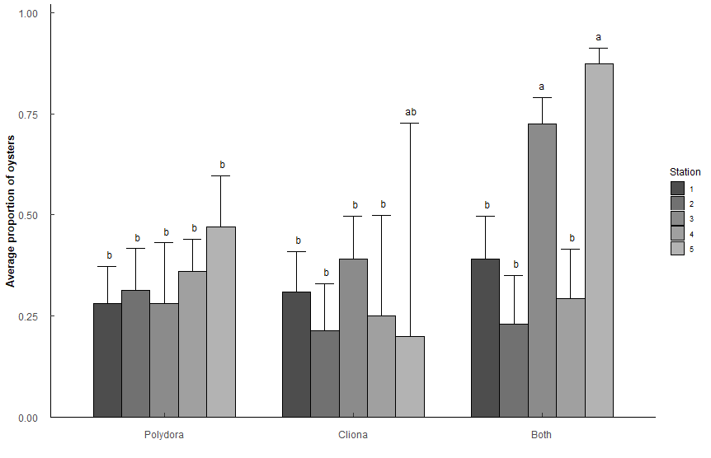
Pest_model_2 <- glm(Prop ~ Type * Station, family = quasibinomial, data = t1)
 |  |  |  |  |  |  |  |  |  |  |  | Sum Sq | Df | F value | Pr(>F)
 | Sum Sq | Df | F value | Pr(>F) |  |  |  |  |  |  | Type | 0.0319 | 1 | 0.1946 | 6.60E-01
Type | 8.906 | 2 | 19.1053 | 1.66E-08 | *** |  |  |  |  |  | Station | 1.806 | 4 | 2.7588 | 2.97E-02 | *
Station | 26.128 | 4 | 28.0241 | 2.20E-16 | *** |  |  |  |  |  | Type:Station | 1.3397 | 4 | 2.0465 | 9.05E-02 | .
Type:Station | 12.553 | 8 | 6.7319 | 4.49E-08 | *** |  |  |  |  |  | Residuals | 25.8582 | 158
Residuals | 65.498 | 281

Type | Station | n | mean | sd | min | max | SE | Lower | Upper | Letters | Station | Type | n | mean | sd | min | max | SE | Lower | Upper | Letters
Polydora | 1 | 25 | 0.28 | 0.153 | 0.2 | 0.8 | 0.0433552 | 0.20327291 | 0.3721602 | b | 1 | Cliona | 22 | 0.309 | 0.16 | 0.2 | 0.6 | 0.03985779 | 0.23682216 | 0.3920832 | ab
Polydora | 2 | 21 | 0.314 | 0.206 | 0.2 | 0.8 | 0.04890916 | 0.22706399 | 0.4169388 | b | 1 | Polydora | 25 | 0.28 | 0.153 | 0.2 | 0.8 | 0.0363284 | 0.21456114 | 0.3563423 | ab
Polydora | 3 | 10 | 0.28 | 0.253 | 0.2 | 1 | 0.06855059 | 0.16646183 | 0.4309418 | b | 2 | Cliona | 15 | 0.213 | 0.052 | 0.2 | 0.4 | 0.04279075 | 0.14128065 | 0.3089135 | b
Polydora | 4 | 36 | 0.361 | 0.184 | 0.2 | 0.8 | 0.03864985 | 0.2892788 | 0.4397442 | b | 2 | Polydora | 21 | 0.314 | 0.206 | 0.2 | 0.8 | 0.0409822 | 0.23996482 | 0.399525 | ab
Polydora | 5 | 14 | 0.471 | 0.267 | 0.2 | 1 | 0.06441125 | 0.34954506 | 0.5968167 | b | 3 | Cliona | 20 | 0.39 | 0.238 | 0.2 | 0.8 | 0.0441218 | 0.30771701 | 0.4790597 | ab
Cliona | 1 | 22 | 0.309 | 0.16 | 0.2 | 0.6 | 0.04756726 | 0.22427275 | 0.4090709 | b | 3 | Polydora | 10 | 0.28 | 0.253 | 0.2 | 1 | 0.05744024 | 0.18199368 | 0.4046745 | ab
Cliona | 2 | 15 | 0.213 | 0.052 | 0.2 | 0.4 | 0.05106753 | 0.12995499 | 0.3299214 | b | 4 | Cliona | 4 | 0.25 | 0.1 | 0.2 | 0.4 | 0.08758739 | 0.11772258 | 0.4543651 | ab
Cliona | 3 | 20 | 0.39 | 0.238 | 0.2 | 0.8 | 0.05265604 | 0.29294481 | 0.4966251 | b | 4 | Polydora | 36 | 0.361 | 0.184 | 0.2 | 0.8 | 0.03238566 | 0.30034137 | 0.4266782 | ab
Cliona | 4 | 4 | 0.25 | 0.1 | 0.2 | 0.4 | 0.10452895 | 0.10053736 | 0.4985109 | b | 5 | Cliona | 1 | 0.2 | NA | 0.2 | 0.2 | 0.16181938 | 0.03329309 | 0.6447307 | ab
Cliona | 5 | 1 | 0.2 | NA | 0.2 | 0.2 | 0.19311923 | 0.02293338 | 0.7269837 | ab | 5 | Polydora | 14 | 0.471 | 0.267 | 0.2 | 1 | 0.05397178 | 0.36843711 | 0.5769113 | a
Both | 1 | 20 | 0.39 | 0.22 | 0.2 | 1 | 0.05265604 | 0.29294481 | 0.4966251 | b
Both | 2 | 14 | 0.229 | 0.073 | 0.2 | 0.4 | 0.05418271 | 0.13959412 | 0.3511187 | b
Both | 3 | 35 | 0.726 | 0.275 | 0.2 | 1 | 0.03640964 | 0.64896225 | 0.7910872 | a | contrast | odds.ratio | SE | z.ratio | p.value
Both | 4 | 15 | 0.293 | 0.183 | 0.2 | 0.8 | 0.05675555 | 0.19530731 | 0.415175 | b | Station5 Polydora / Station2 Cliona | 3.288851 | 1.100298 | 3.558586 | 1.68E-02
Both | 5 | 44 | 0.873 | 0.229 | 0.2 | 1 | 0.02425633 | 0.81716779 | 0.9131967 | a

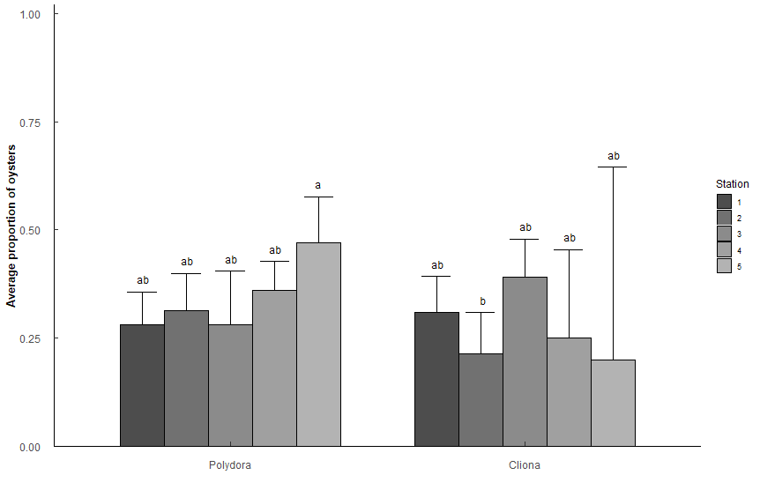
contrast |  | odds.ratio | SE | z.ratio | p.value
Station1 Polydora / Station3 Both |  | 0.14698163 | 0.04149635 | -6.791671 | 1.05E-09 | ***
Station1 Polydora / Station5 Both |  | 0.05671296 | 0.01738216 | -9.363172 | 8.12E-19 | ***
Station2 Polydora / Station3 Both |  | 0.17322835 | 0.05049304 | -6.014579 | 1.61E-07 | ***
Station2 Polydora / Station5 Both |  | 0.06684028 | 0.02105139 | -8.590074 | 8.78E-16 | ***
Station3 Polydora / Station3 Both |  | 0.14698163 | 0.05675087 | -4.966084 | 5.88E-05 | ***
Station3 Polydora / Station5 Both |  | 0.05671296 | 0.02291875 | -7.101266 | 1.19E-10 | ***
Station4 Polydora / Station3 Both |  | 0.21362547 | 0.05298708 | -6.222979 | 4.54E-08 | ***
Station4 Polydora / Station5 Both |  | 0.08242754 | 0.02268695 | -9.068016 | 1.26E-17 | ***
Station5 Polydora / Station3 Both |  | 0.337093 | 0.10674421 | -3.433945 | 4.88E-02 | *
Station5 Polydora / Station5 Both |  | 0.13006757 | 0.04401323 | -6.02771 | 1.50E-07 | ***
Station1 Cliona / Station3 Both |  | 0.16908413 | 0.0487336 | -6.166652 | 6.42E-08 | ***
Station1 Cliona / Station5 Both |  | 0.06524123 | 0.020351 | -8.750756 | 2.18E-16 | ***
Station2 Cliona / Station3 Both |  | 0.10249566 | 0.03639005 | -6.415997 | 1.32E-08 | ***
Station2 Cliona / Station5 Both |  | 0.03954802 | 0.01481258 | -8.6244 | 6.57E-16 | ***
Station3 Cliona / Station3 Both |  | 0.24164193 | 0.06938432 | -4.946415 | 6.43E-05 | ***
Station3 Cliona / Station5 Both |  | 0.09323771 | 0.0289907 | -7.630588 | 2.29E-12 | ***
Station4 Cliona / Station3 Both |  | 0.12598425 | 0.07391853 | -3.530762 | 3.44E-02 | *
Station4 Cliona / Station5 Both |  | 0.04861111 | 0.02910511 | -5.050498 | 3.83E-05 | ***
Station1 Both / Station3 Both |  | 0.24164193 | 0.06938432 | -4.946415 | 6.43E-05 | ***
Station1 Both / Station5 Both |  | 0.09323771 | 0.0289907 | -7.630588 | 2.29E-12 | ***
Station2 Both / Station3 Both |  | 0.111986 | 0.04004692 | -6.12232 | 8.39E-08 | ***
Station2 Both / Station5 Both |  | 0.04320988 | 0.01628928 | -8.333817 | 7.83E-15 | ***
Station3 Both / Station4 Both |  | 6.37405303 | 2.09883214 | 5.625151 | 1.63E-06 | ***
Station4 Both / Station5 Both |  | 0.06053459 | 0.02120055 | -8.007891 | 1.16E-13 | ***

Q9
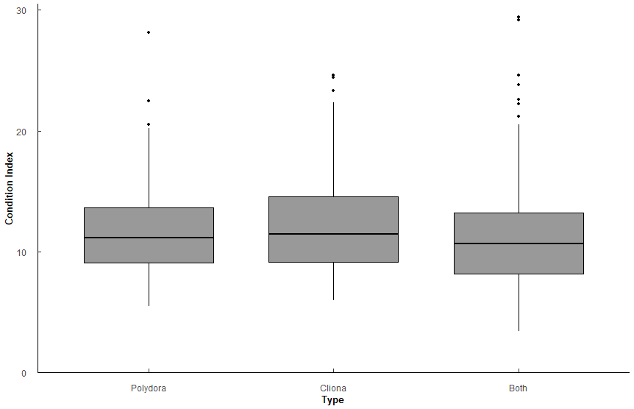
Q10: What is the relationship between Polydora or Cliona with CI?
CI = Hanley version = (Tissue DW * 100)/Shell DW
Types: Only "Polydora", only "Cliona", "Both" polydora and cliona

 | Df | Sum Sq | Mean Sq | F value | Pr(>F)
Type | 2 | 100 | 49.83 | 3.11 | 4.53E-02 | *
Residuals | 635 | 10175 | 16.02

Comparison | p.value | p.adjust
Polydora-Cliona | 0.393 | 0.39
Polydora-Both | 0.106 | 0.21
Cliona-Both | 0.0256 | 0.08

Type | variable | n | mean | sd | min | max | lower | upper | Letters
Both | CI_Hanley | 376 | 11.215 | 4.067 | 3.405 | 29.437 | 7.148 | 15.282 | a
Cliona | CI_Hanley | 92 | 12.257 | 4.29 | 5.969 | 24.581 | 7.967 | 16.547 | a
Polydora | CI_Hanley | 170 | 11.814 | 3.688 | 5.479 | 28.141 | 8.126 | 15.502 | a

No strong significance. CI of oysters affected by Cliona vs Both may be slightly higher.
Important to note that the CI isn't significantly different when it's either pest vs both pests.

Q10
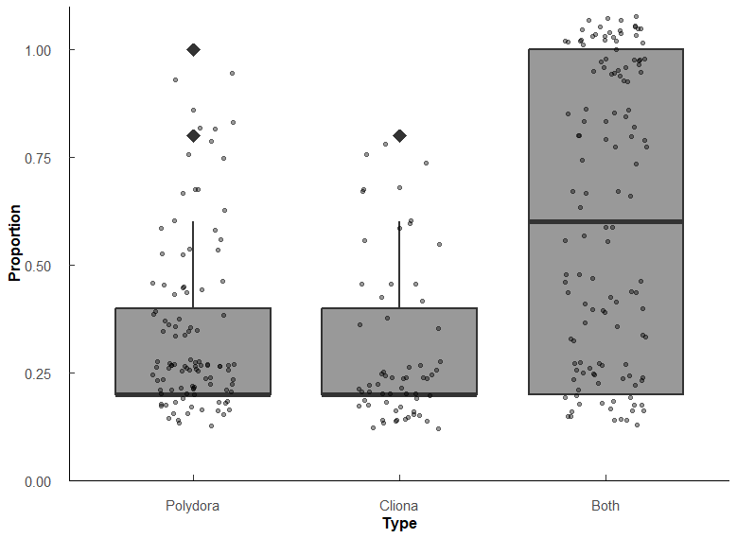
Q9: What is the relationship between Polydora and Cliona proporiton of oysters affected, and percentage of shell affected? |  |  |  |  |  |  |  |  |  | Sake of curiosity, what happens if we only look at Cliona or Polydora, not Both?
# infected / # total oysters per sample (1 sample = 1 year/month/station) i.e. 3 infected / 5 oysters = 0.6 proportion infected |  |  |  |  |  |  |  |  |  | Very minor differences among stations.
Wilcoxon rank sum test with Holm p-adjustment |  |  |  |  |  |  |  |  |  | Pest_model_2b <- glm(Prop ~ Type * Station, family = quasibinomial, data = (t1 %>% filter(Type != "Both")))
Types: Only "Polydora", only "Cliona", "Both" polydora and cliona

Proportions
Type | variable | n | min | max | q1 | median | q3
Polydora | Prop | 106 | 0.2 | 1 | 0.2 | 0.2 | 0.4
Cliona | Prop | 62 | 0.2 | 0.8 | 0.2 | 0.2 | 0.4
Both | Prop | 128 | 0.2 | 1 | 0.2 | 0.6 | 1

group1 | group2 | n1 | n2 | statistic | p.adj | p.adj.signif | effect_size | magnitude
Polydora | Cliona | 106 | 62 | 3570 | 2.76E-01 | ns | 0.0842 | small
Polydora | Both | 106 | 128 | 3613 | 3.15E-10 | **** | 0.422 | moderate
Cliona | Both | 62 | 128 | 1868 | 1.20E-09 | **** | 0.449 | moderate

No significant difference between Polydora prevelence and Cliona prevelence (p = 0.276)
More likely to have both than one or the other (both p < 0.001)

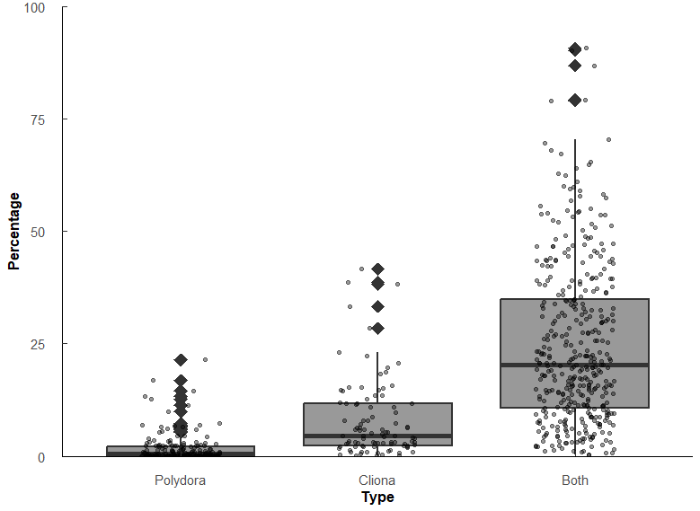
Percentage of shell affected
Type | variable | n | min | max | q1 | median | q3
Polydora | Pct | 180 | 0.004 | 21.5 | 0.063 | 0.481 | 2.17
Cliona | Pct | 95 | 0.041 | 41.6 | 2.41 | 4.56 | 11.6 | 9.4802494802
Both | Pct | 396 | 0.307 | 90.7 | 10.7 | 20.3 | 34.9 | 4.451754386 | 42.203742204

group1 | group2 | n1 | n2 | statistic | p.adj | p.adj.signif | effect_size | magnitude
Polydora | Cliona | 180 | 95 | 2542 | 9.77E-22 | **** | 0.578 | large
Polydora | Both | 180 | 396 | 2341 | 7.47E-72 | **** | 0.749 | large
Cliona | Both | 95 | 396 | 6625 | 2.02E-22 | **** | 0.443 | moderate

Significant difference among percentages affected. Polydora < Cliona < Both (all p < 0.001)
Polydora affects the surface of the shell less than Cliona (r = 0.578), but when both are present the effect is compounded (both r >= 0.44)

Percentage of shell affected (controlling for Condition Index)
CI = Hanley version = (Tissue DW * 100)/Shell DW
Pest_CI_test <- aovp(Pct ~ Type * CI_Hanley, data = Combined_data, perm = "", nperm = 10000)
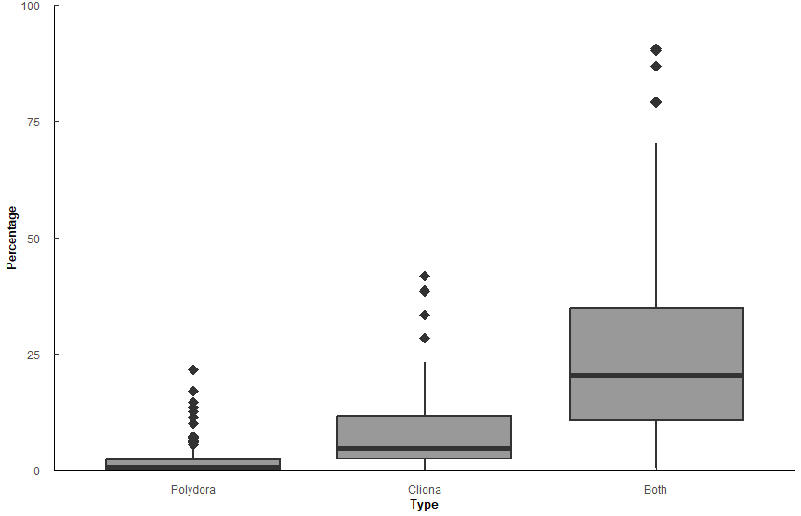
 | Df | Sum Sq | Mean Sq | F value | Pr(>F)
Type | 2 | 69648 | 34824 | 182.198 | 2.00E-16 | ***
CI_Hanley | 1 | 542 | 542 | 2.834 | 9.28E-02
Type:CI_Hanley | 2 | 4720 | 2360 | 12.348 | 5.49E-06 | ***
Residuals | 632 | 120796 | 191

Comparison | statistic | p.value | p.adjust | p.adj.signif
Polydora-Cliona | -3.64 | 2.89e- 4 | 2.89E-04 | ***
Polydora-Both | -17.7 | 2.23E-57 | 6.68E-57 | ****
Cliona-Both | -10 | 5.23E-22 | 1.05E-21 | ****

CI_Hanley | Type | emmean | se | df | conf.low | conf.high | method
11.5 | Polydora | 1.82 | 1.08 | 634 | -0.303 | 3.94 | Emmeans | test
11.5 | Cliona | 8.46 | 1.47 | 634 | 5.57 | 11.3 | Emmeans | test
11.5 | Both | 24.9 | 0.727 | 634 | 23.5 | 26.3 | Emmeans | test
with CI being equal (at 11.5), the mean percentage of shell affected by Polydora/Cliona/Both is [emmean value]

